RFQ Checklist
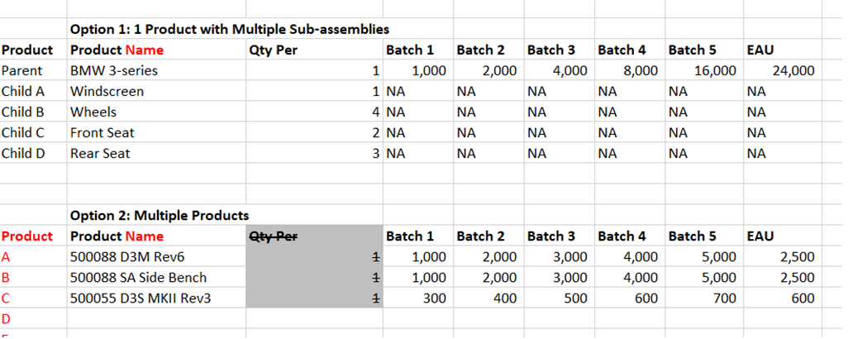
RFQ CHECKLIST

 |  |  |  |  |  |  |  |  |  | Title | Data
 |  |  |  |  |  |  |  |  |  | Company Name
 |  |  |  |  |  |  |  |  |  | Product Description
Company Name |  | Myriota |  |  |  |  | Account | New |  | Product Application
Product Description |  | Myriota Mouse |  |  |  |  |  |  |  | Annual Volume
Product Application |  | Antenna communication |  |  |  |  |  |  |  | Currency to Quote
Annual Volume |  | Option 1 or Option 2 |  |  | Batch | 100, 300, 500 |  |  |  | Account
Currency to Quote |  | AUD

Product Information
1 | Bill of Materials complete with component references. |  |  |  |  |  |  | Yes
2 | AVL (Approved Vendor List) with Manufacturer Part Numbers. |  |  |  |  |  |  | Yes
3 | Sourcing requirement. |  |  |  |  |  |  | Strict AVL
4 | Letter of Authorisation (LOA) for customer-negotiated parts if any. |  |  |  |  |  |  | Yes
5 | PCB fabrication drawings - Gerber perferred. |  |  |  |  |  |  | Yes
6 | PCB component layout drawings for both sides of PCB. |  |  |  |  |  |  | Yes
7 | Mechanical assembly drawings. |  |  |  |  |  |  | Yes
8 | Samples of completed boards / assemblies, if available. |  |  |  |  |  |  | Yes
9 | Test specifications and/or times for ICT, Burn-In and FCT. |  |  |  |  |  |  | No | Use customer specified functional test time of 3min (Tester supplied by Myriota)
10 | Details of equipment to be consigned. |  |  |  |  |  |  | Yes | Test set only
11 | Programming requirement/specifications. |  |  |  |  |  |  | No
12 | Details of special processes required. E.g. conformal coating, underfilling, x-ray, potting. |  |  |  |  |  |  | No
13 | Packaging requirement and delivery terms. |  |  |  |  |  |  | Yes | treat as CSP: Packaging - Sample provided (Printed Carton BOX, foam insert, Bubble wrap bag)
14 | RoHS Compliance. |  |  |  |  |  |  | Yes
15 | IPC 610 requirement. |  |  |  |  |  |  | Class II

Additional Information
16 | Can end customer's name be disclosed to suppliers? |  |  |  |  |  |  | Yes
17 | Customer's target cost if any? If yes, complete below. |  |  |  |  |  |  | No
 | Currency |  | BOM Cost |  |  | Sell Price

Additional Remarks By Program / Business Managers

RFQ CHECKLIST

SRX Internal Only
RFQ Number
Due Date for Submission
Initiated By |  | Jack Malinowski
Sourcing Strategy / Purpose |  | Standard LT (Lowest Price)
Manufacturing Plant Location |  | MEL
Design Location |  | Adelaide, Australia

Project Assessment on Level of Risk (TS16949 requirement) - Please √
(a) Unable to meet program timing |  |  | Low |  | Moderate |  | High
(b) Unable to obtain resources required |  |  | Low |  | Moderate |  | High
(c) Unable to meet projected cost |  |  | Low |  | Moderate |  | High

 | Product
 | a
 | b
 | c

RFQ CHECKLIST

List of Multiple Products
S/N | Product Description |  |  | EAU | Batch | Manufacturing Plant

Revision Log
RFQ CHECKLIST

REVISION LOG

Section | Page | Rev | Date | Description Of Change | Author | Approved by:
All | All | 1.0 | 14/03/2011 | Initial Release | Tara | Paul Appleby
Purchasing | 1 | 2.0 | 1/28/2014 | Revised to combine both Customer & Internal checklist. | Maya/Kelly | Paul Appleby
Product Information | 1 | 3.0 | 7/29/2014 | Re-phrase for clarification | Maya | Kelly
Project Assessment | 2 | 4.0 | 7/1/2015 | Addition to meet TS req. | Tai | Kelly
Sourcing Strategy | 1 | 5.0 | 8/3/2016 | Options added | Poh/Wooi Nee | Kelly
All | All | 6.0 | 06/04/2017 | Updated from Word format to Excel format. Added the List of Multiple Products tab into RFQ Checklist tab on page 3. Added column "Page" in Revision Log. | Sri Mayhida / Thu Dam | Poh Kam Hong

